DEC19
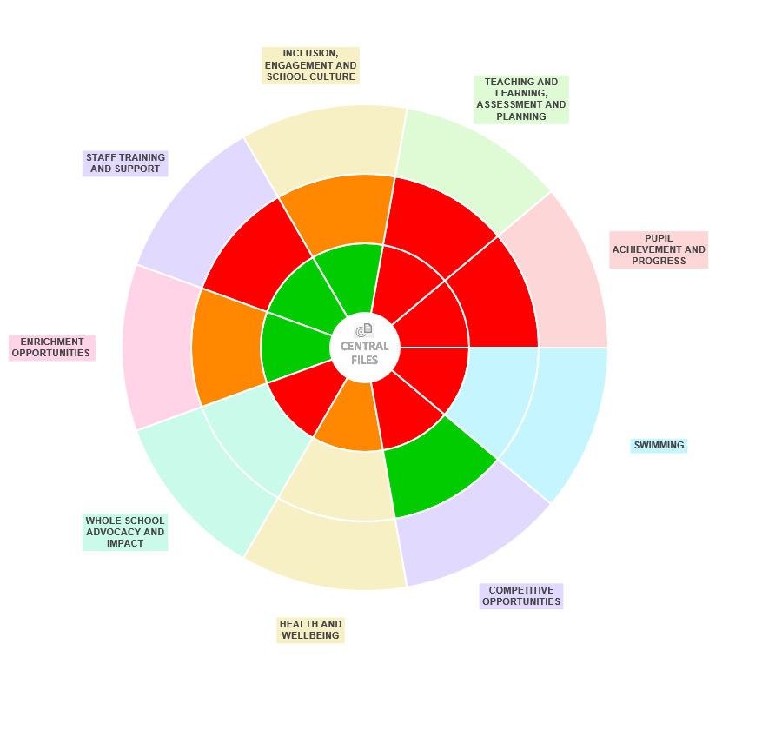
ROSECROFT - DEC2019
CD WHEEL AREAS | EMERGING | DEVELOPING | ESTABLISHED | DEVELOPMENT PLANS | Progress (R/A/G)
PUPIL ACHIEVEMENT AND PROGRESS | r | r |  | Need to complete Staff audits and return to SSP for reporting | r
 |  |  |  | Need date to run LN Legacy session and then beaseline all staff for LN scoring | r

TEACHING & LEARNING, ASSESSMENT & PLANNING | r | r |  | Need date in diary for LESSON OBS Half day as part of legacy to support RL using LN to moderate Self assessment scoring
 |  |  |  | Consider some informal Obs of PE following these Self assessments
 |  |  |  | RL to complete PE VISION for Rosecroft as part of bigger picture Subject leadership (Deep Dive)

INCLUSION, ENGAGEMENT AND SCHOOL CULTURE | g | a |  | Consider SSP led leadership support for playground activity and virtual competitions

STAFF TRAINING AND SUPPORT | g | r |  | Complete staff audit and then create dev plan for support
 |  |  |  | Set up meet with Annie following baselines to identify support needs (LEGACY)

ENRICHMENT OPPORTUNITIES | g | a |  | Leadership training opps?

WHOLE SCHOOL ADVOCACY AND IMPACT | r |  |  | Adopt SSO provided Finance plan to use to manage Sport Premium Budget - ongoing mgt of budget/reporting

HEALTH & WELLBEING | a

COMPETETIVE OPPORTUNITIES | r | g |  | Comp policy to be completed - RMC to send example to work from

SWIMMING | r |  |  | Need data from prvs swim group to identify scale of challenge ahead

